3.Fract-4-06 K_IC
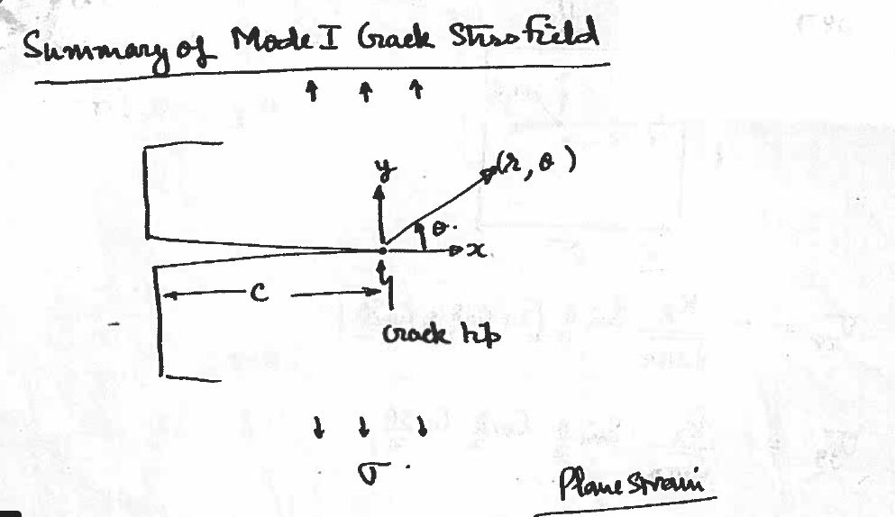

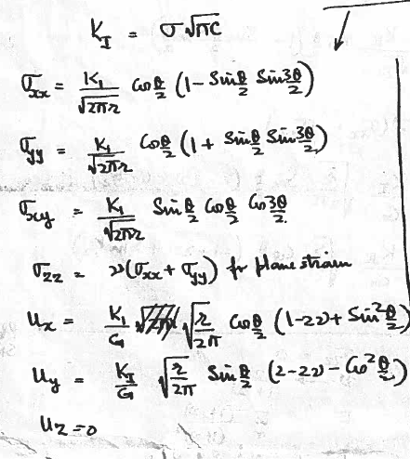
 | K_IC | K_IC | E | E | 2Gamma_F | 2Gamma_F
 | MPa Sqrt(m) | Pa Sqrt(m) | GPa | Pa | J/m^2 | kJ/m^2

silica | 1.00E+00 | 1.00E+06 | 7.30E+01 | 7.30E+10 | 1.37E+01 | 1.37E-02

GFRP | 8.01E+02 | 8.01E+08 | 7.00E+01 | 7.00E+10 | 9.17E+06 | 9.17E+03

